T one sample test
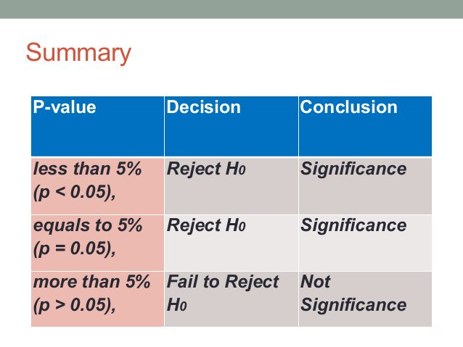
 |  |  | STUDENT T - TEST
To test variation or difference between sample and population in respect of mean or average where the population standard deviation is not known
sample size is small (i.e. <30)
Types: t one sample test, t two sample test and t paired test

 |  |  | STUDENT T-TEST ONE SAMPLE
the significant differene between the sample mean and population mean will be studied at α% level of significane with n-1 degrees of freedom, where n is sample size (one sample and one population)

 |  |  |  | Procedure
 |  |  | STUDENT T-TEST ONE SAMPLE
1. Ho: there is no significant difference between the sample mean and population mean
2. H1: there is significant difference between the sample mean and population mean
3. Level of significance (α) - 5%, 10%, 1%
4. T test one sample: (the mean of the sample - the actual or hypothetical mean of population)*sqrt(the sample size n )/S (the standard deviation of the sample)
5. Decision: if P value <=0.05 then there is significant change otherwise there is no significant at 5% level of significant with n-1 degrees of freedom

Example
1. The systolic blood pressure of 15 patients under treatment for hypertension is given below test is there any evidence to show that this sample represents a population of patients having a normally distributed B.P. with mean 150
 | S.No. | Blood Pressure
 | 1 | 150
 | 2 | 97 |  |  | n | 15
 | 3 | 107 |  |  | Population mean | 150
 | 4 | 139 |  |  | Total | 2118
 | 5 | 118 |  |  | Mean | 141.2
 | 6 | 157 |  |  | SD | 23.2723
 | 7 | 152
 | 8 | 138 |  |  | Test statistic (t) | 1.4644987151
 | 9 | 151 |  | No of Degree of freedom |  | 14
 | 10 | 133
 | 11 | 165 |  |  | Table value (t) 2.9768
 | 12 | 150
 | 13 | 122 |  |  | test stat < table value , so we accept our Ho
 | 14 | 188
 | 15 | 151 |  |  | Ho: There is no significant difference between sample mean and population mean of BP for 15 patients
 | Sum= | 2118 |  |  | Ho: There is significant difference between sample mean and population mean of BP for 15 patients
 | Average= | 141.2
 | SD= | 23.272301132

2. The life time of electric bulbs for a random sample of 10 from a large consignment gave the following data
Item | Life in '000 hours
1 | 4.2
2 | 4.6
3 | 3.9
4 | 4.1
5 | 5.2
6 | 3.8
7 | 3.9
8 | 4.3
9 | 4.4
10 | 5.6

